Sheet1
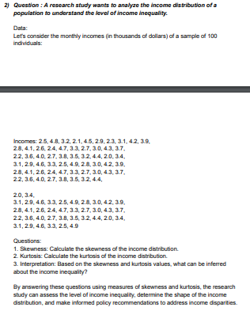
DATA |  |  |  |  | ANSWERS
2.5 | 2.2 | 2.8 | 3.1 | 2.2 | Swekness | 0.22402536455
4.8 | 3.6 | 4.1 | 2.9 | 3.6 | Kurtosis | -0.93120912453
3.2 | 4 | 2.6 | 4.6 | 4 | Interpretation | The data is negatively skewed or else you can say the mean is greater than the mode showing the income varies from value to value or in simple words the distribution of income is pretty unequal.
2.1 | 2.7 | 2.4 | 3.3 | 2.7 | Mean | 3.3791666667
4.5 | 3.8 | 4.7 | 2.5 | 3.8 | Median | 3.3
2.9 | 3.5 | 3.3 | 4.9 | 3.5 | Mode | 2.7
2.3 | 3.2 | 2.7 | 2.8 | 3.2
3.1 | 4.4 | 3 | 3 | 4.4
4.2 | 2 | 4.3 | 4.2 | 2
3.9 | 3.4 | 3.7 | 3.9 | 3.4
2.8 | 3.1 | 2.2 | 2.8 | 3.1
4.1 | 2.9 | 3.6 | 4.1 | 2.9
2.6 | 4.6 | 4 | 2.6 | 4.6
2.4 | 3.3 | 2.7 | 2.4 | 3.3
4.7 | 2.5 | 3.8 | 4.7 | 2.5
3.3 | 4.9 | 3.5 | 3.3 | 4.9
2.7 | 2.8 | 3.2 | 2.7
3 | 3 | 4.4 | 3
4.3 | 4.2 | 2 | 4.3
3.7 | 3.9 | 3.4 | 3.7

